Sheet1
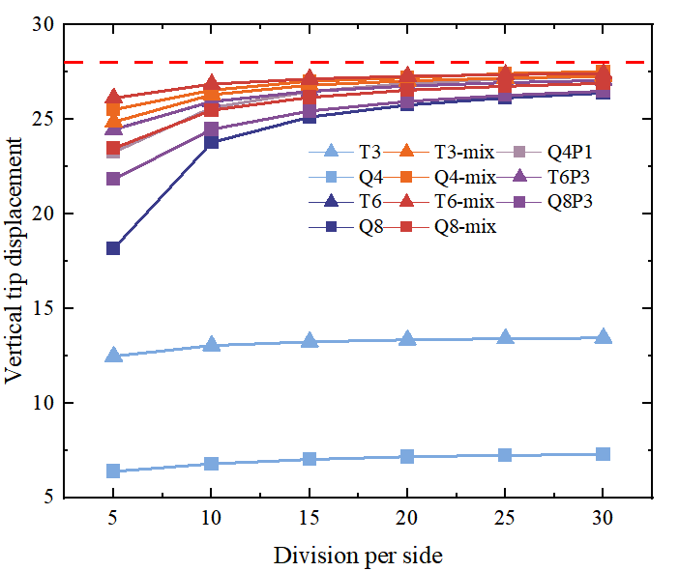
v=0.4999999
n | T3 | Q4 | T6 | Q8 | Q4P1 | T6P3 | Q8P3 | T3-mix | Q4-mix | T6-mix | Q8-mix
5 | 12.47471 | 6.38624 | 24.45778 | 18.17041 | 23.25865 | 24.45548 | 21.82763 | 24.8592 | 25.50514 | 26.12065 | 23.46218
10 | 13.04639 | 6.7889 | 25.93516 | 23.77305 | 25.61077 | 25.93743 | 24.46921 | 26.30053 | 26.5431 | 26.86205 | 25.48245
15 | 13.24481 | 7.02401 | 26.47387 | 25.1174 | 26.46909 | 26.47734 | 25.43627 | 26.79947 | 27.01579 | 27.13214 | 26.15933
20 | 13.34585 | 7.16596 | 26.75811 | 25.75369 | 26.89153 | 26.76138 | 25.94695 | 27.02639 | 27.20003 | 27.27345 | 26.5401
25 | 13.40745 | 7.24103 | 26.93528 | 26.13085 | 27.12653 | 26.93798 | 26.26549 | 27.18085 | 27.41757 | 27.36082 | 26.74412
30 | 13.44928 | 7.27938 | 27.05644 | 26.38259 | 27.26611 | 27.05897 | 26.48425 | 27.28433 | 27.5241 | 27.4204 | 26.90399

